Bug report
Column 1 | Column 2
Project name | Tutorials Ninja
Clint | Tutorials Ninja
Reference document
Created by | Karan Soni
Creation date | 18.7.2024
Approval date

Column 1 | Column 2 | Column 3 | Column 6 | Column 7 | Column 8 | Column 9 | Column 10 | Column 11
Bug ID | Priority | Description/Bug Summary | Expected result | Actual result | Status | Test execution by | Browsers/Device | Screenshot/ Video recording
BG_001 | High | Validate that it is giving correct results after entering the product name. | It should give correct details about the product. | It is not giving correct results | Fail | Karan | Chrome | 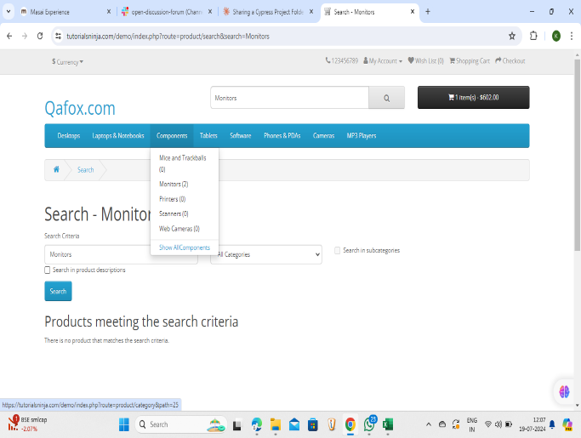
BG_002 | High | Validate that search functionality can handle multiple search terms. | It should handle multiple terms at a time. | It is not able to handle multiple terms | Fail | Karan | Chrome | 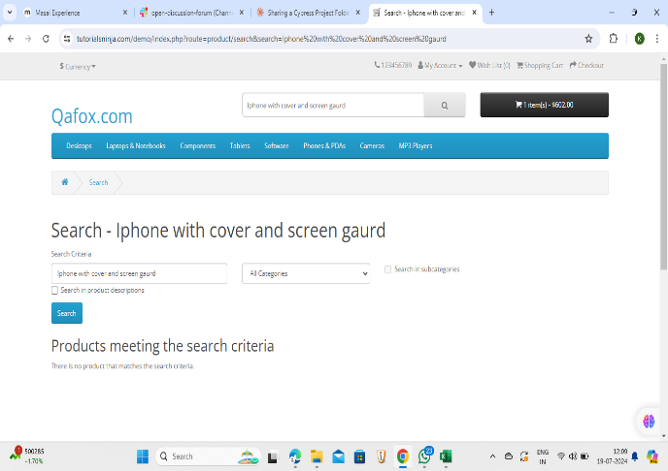
BG_003 | High | Validate that all the featured and slidebar products are displayed correctly and clickable. | It should display correctly and clickable. | One slidebar is not clickable . | Fail | Karan | Chrome | 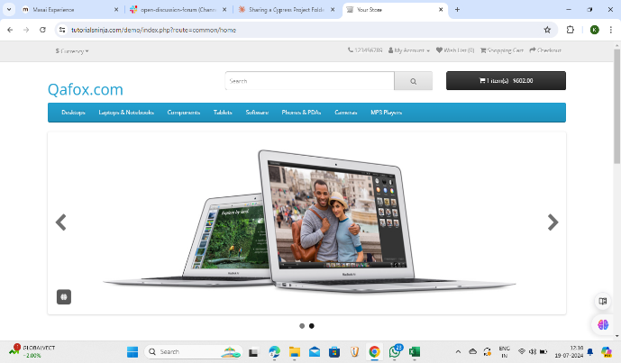
BG_004 | High | Validate that the sub product is display for all categories at the top. | It should show the sub products. | It is not showing sub products for few | Fail | Karan | Chrome | 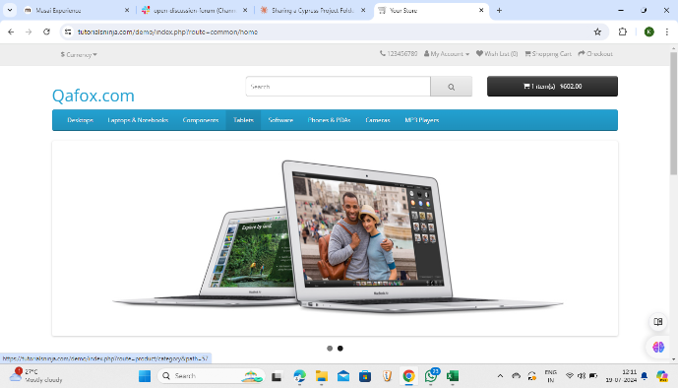
BG_005 | High | Validate that apply coupons,checkout and continue shopping buttons are visible and clickable. | The checkout,coupons and continue shopping should be visible and clickable. | The checkout button is not working, it is takiing to the same page. | Fail | Karan | Chrome | 